单品销售统计表
No. | Picture | Diameter (mm) | Weight（g） | Price in USD | Quantity Required
1 | 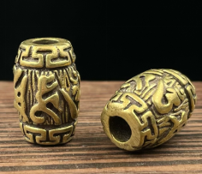 | 5.8mm | 10.5g | $1.33
2 | 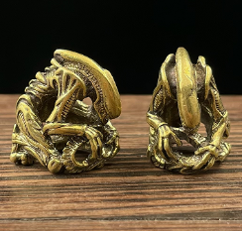 |  | 11g | $1.33
3 | 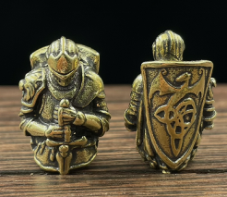 | 5.8mm | 11g | $1.39
4 | 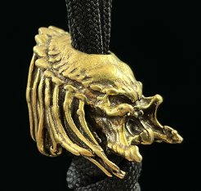 | 5.8mm | 9.7g | $1.32
5 | 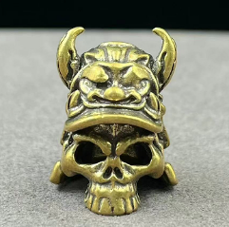 | 5.2mm | 9.8g | $1.34
6 | 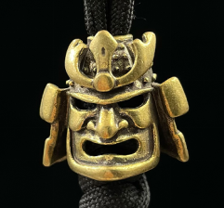 |  | 9.5g | $1.41
7 |  | 6.4mm | 9g | $1.32
8 | 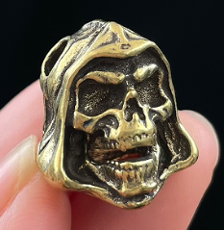 | 双孔3.8mm | 7.8g | $1.38
9 | 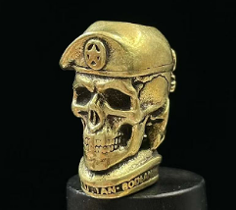 | 5.8mm | 11.3g | $1.38
10 | 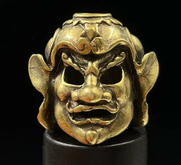 | 4.6mm | 9.5g | $1.34
11 | 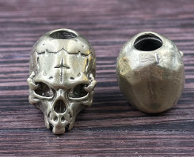 | 5.6mm | 8.6g | $1.30
12 | 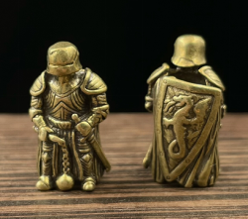 | 5.0mm | 5.5g | $1.42
13 | 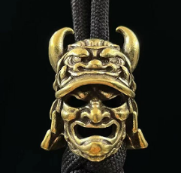 | 5.4mm | 11.3g | $1.34
14 | 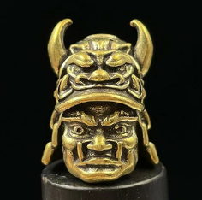 | 5.2mm | 10.6g | $1.36
15 | 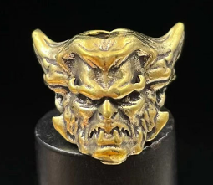 | 5.2mm | 8.5g | $1.33
16 | 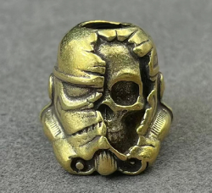 | 6mm | 8.8g | $1.31
17 | 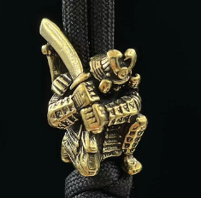 | 5.5mm | 11.6g | $1.28
18 | 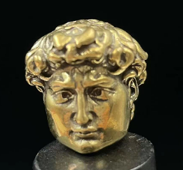 | 5.4mm | 11g | $1.33
19 | 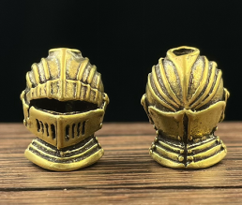 | 3.8mm | 10.8g | $1.39
20 | 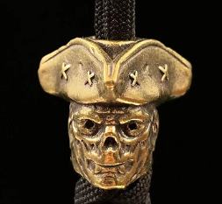 | 5.0mm | 11.5g | $1.33
21 | 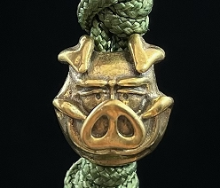 | 5.0mm | 5.8g | $1.28
22 | 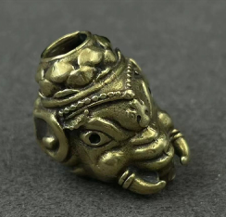 | 5.0mm | 7g | $1.35
23 | 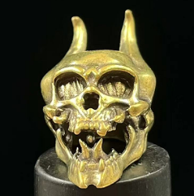 | 5.2mm | 8.8g | $1.32
24 | 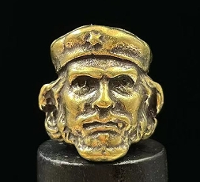 | 5.2mm | 10.9g | $1.33
25 |  | 5.6mm | 9.3g | $1.32
26 | 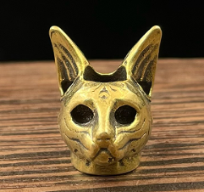 | 5.2mm | 8.5g | $1.30
27 | 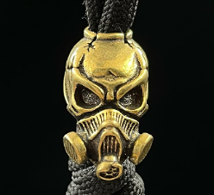 | 5.2mm | 10.2g | $1.36
28 |  | 5.2mm | 6.7g | $1.28
29 | 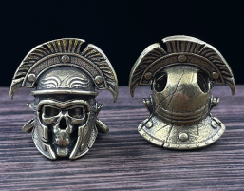 | 4.2mm | 8.5g | $1.36
30 | 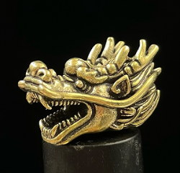 | 5.6mm | 13.4g | $1.30
31 | 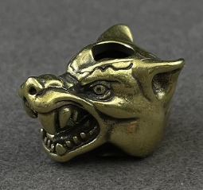 | 5.8mm | 11.4g | $1.30
32 | 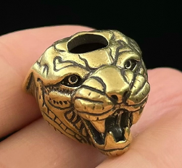 | 5.2mm | 10.2g | $1.39
33 | 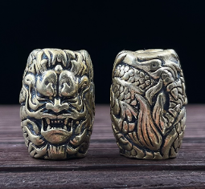 | 5.2mm | 8.8g | $1.34
34 | 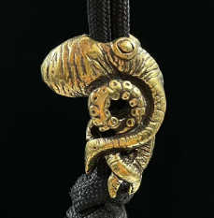 | 5.8mm | 14.3g | $1.36
35 | 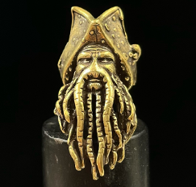 | 4.8mm | 5.9g | $1.30
36 | 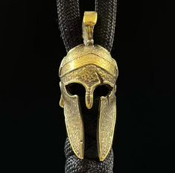 | 5.0mm | 6.8g | $1.33
37 | 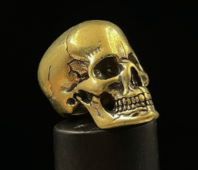 | 5.2mm | 13.9g | $1.31
38 | 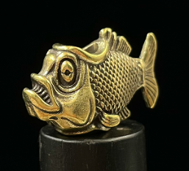 | 5.8mm | 13g | $1.36
39 | 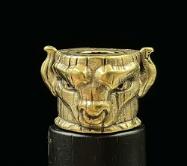 | 5.2mm | 10.6g | $1.36
40 |  | 5.8mm | 6.9g | $1.34
41 | 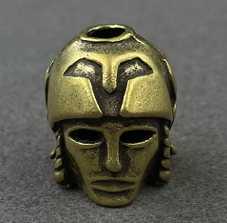 | 4mmmm | 8.4g | $1.36
42 | 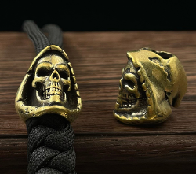 | 5.8mm | 8.8g | $1.30
43 | 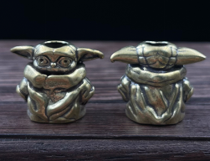 | 5.2mm | 8.7g | $1.38
44 | 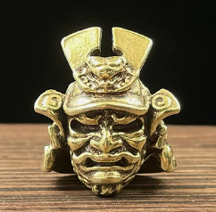 | 双孔4mm | 12g | $1.36
45 | 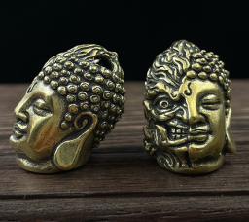 | 双孔3.6mm | 13.5g | $1.57
46 | 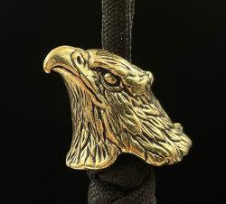 | 5.5mm | 8.3g | $1.38
47 | 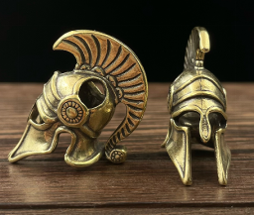 | 5.1mm | 7.7g | $1.32
48 | 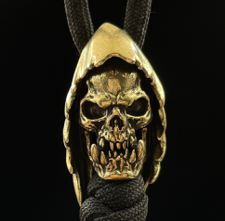 | 双孔4mm | 12.2g | $1.64
49 | 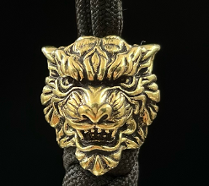 | 5.8mm | 7.7g | $1.39
50 |  | 6mm | 22.9g | $1.71
51 | 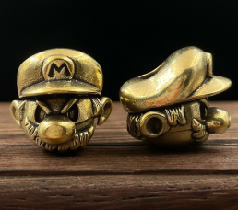 | 5.8mm | 11.7g | $1.52
52 | 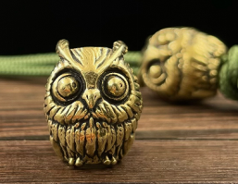 | 5.6mm | 7.3g | $1.32
53 | 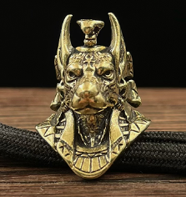 | 5mm | 10.1g | $1.38
54 | 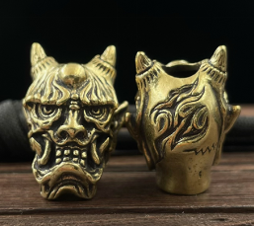 | 5.8mm | 11.6g | $1.39
55 | 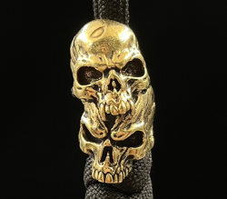 | 5.5mm | 9.9g | $1.32
56 |  | 5.8mm | 6.3g | $1.32
57 |  | 双孔3.5mm | 5.8g | $1.32
58 |  | 5.8mm | 6.2g | $1.32
59 |  | 5.8mm | 7.8g | $1.32
60 |  | 5.8mm | 7.6g | $1.37
61 |  | 5.8mm | 7.5g | $1.30
62 |  | 5.6mm | 10.6g | $1.35
63 |  | 5.6mm | 8.5g | $1.38
64 |  | 5mm | 9.8g | $1.38
65 |  | 5.8mm | 7.1g | $1.38
66 |  | 5.6mm | 9.2g | $1.39
67 |  | 5.8mm | 10.8g | $1.42
68 |  | 5.5mm | 9.3g | $1.40
69 |  | 5.8mm | 10.2g | $1.38
70 |  | 6.0mm | 12.3g | $1.49
71 |  | 5.8mm | 8.5g | $1.42
72 |  | 5.2mm | 14g | $2.32
73 |  | 5.6mm | 5.8g | $1.30
74 |  | 5.6mm | 9.8g | $1.59
75 |  | 5.6mm | 10.7g | $1.42
76 |  | 5.6mm | 10.8g | $1.39
77 |  | 5.8mm | 9.3g | $1.39
78 |  | 6.5mm | 9.6g | $1.39
79 |  | 5.6mm | 6.7g | $1.42
80 |  | 5.8mm | 10g | $1.52
81 |  | 3.6mm | 7g | $1.52
82 |  | 5.8mm | 6.4g | $1.33
83 |  | 6mm | 14g | $1.74
84 |  | 5.8mm | 15g | $1.93
85 |  | 5.8mm | 12g | $1.57
86 |  | 6mm | 13g | $1.58
87 |  | 5.6mm | 17g | $1.68
88 |  | 5.6mm | 13.8g | $1.74
89 |  | 5.6mm | 13.6g | $1.88
90 |  | 5.8mm | 10g | $1.39
91 |  | 5.6mm | 13.8g | $1.45
92 |  | 5.4mm | 6g | $1.28
93 |  | 5.6mm | 8.6g | $1.45
94 |  | 5.8mm | 9.3g | $1.45
95 |  | 5mm | 4.45g | $1.32
96 |  | 5.2mm | 6.65g | $1.38
97 |  | 5.8mm | 10.8g | $1.52
98 |  | 5.6mm | 7g | $1.33
99 |  | 5mm | 8.8g | $1.35
100 |  | 5.6mm | 7.2g | $1.38
101 |  | 5.8mm | 13.5g | $1.39
102 |  | 5.6mm | 4.65g | $1.33
103 |  | 5.6mm | 9.6g | $1.42
104 |  | 5.8mm | 9.4g | $1.38
105 |  | 5.8mm | 7.8g | $1.45
106 |  | 5.2mm | 7g | $1.35
107 |  | 5.5mm | 10g | $1.64
108 |  | 5.5mm | 6g | $1.38
109 |  | 5.4mm | 6.8g | $1.33
110 |  | 5.6mm | 7.2g | $1.35
111 |  | 5.6mm | 8g | $1.32
112 |  | 双孔4.9mm | 14.5g | $1.38
113 |  | 5.4mm | 8.6g | $1.30
114 |  | 5.4mm | 8.7g | $1.59
115 |  | 5mm | 12g | $1.39
116 |  | 5.4mm | 9.5g | $1.41
117 |  | 5.6mm | 7.6g | $1.35
118 |  | 5mm | 8.7g | $1.35
119 |  | 9.5mm | 8.2g | $1.35
120 |  | 5.6mm | 6.7g | $1.32
121 |  | 5mm | 6.7g | $1.29
122 |  | 5.6mm | 9.7g | $1.93
123 |  | 6mm | 9.5g | $1.30
124 |  | 3.4mm | 6.4g | $1.34
125 |  | 5.6mm | 9g | $1.35
126 |  | 5.6mm | 8.6g | $1.34
127 |  | 5.6mm | 8.5g | $1.45
128 |  | 5mm | 4g | $1.17
129 |  | 5.6mm | 5.8g | $1.34
130 |  | 6mm | 9.8g | $1.48
131 |  | 6mm | 11g | $1.41
132 |  | 5mm | 10.5g | $1.37
133 |  | 6.2mm | 17.5g | $1.74
134 |  | 3.8mm | 9.2g | $1.45
135 |  | 5.6mm | 8.6g | $1.38
136 |  | 5.8mm | 3.35g | $1.35
137 |  | 6.2mm | 4.4g | $1.33
138 |  | 5.2mm | 10.5g | $1.57
139 |  | 5.8mm | 7.6g | $1.38
140 |  | 3.7mm | 8.5g | $1.53
141 |  | 5.6mm | 5.7g | $1.28
142 |  | 5.6mm | 8g | $1.44
143 |  | 6mm | 8.8g | $1.59
144 |  | 5.4mm | 9.2g | $1.32
145 |  | 5.6mm | 9g | $1.42
146 |  | 5.6mm | 7.3g | $1.32
147 |  | 5.6mm | 7.6g | $1.40
148 |  | 5.4mm | 5.8g | $1.38
149 |  | 5mm | 8g | $1.45
150 |  | 5mm | 5.5g | $1.32
151 |  | 4.8mm | 18g | $1.39
152 |  | 6mm | 8.6g | $1.43
153 |  | 4.8mm | 8.5g | $1.42
154 |  | 5.4mm | 10.5g | $1.38
155 |  | 5.2mm | 5.5g | $1.35
156 |  | 5.6mm | 6.4g | $1.36
157 |  | 5.4mm | 7g | $1.41
158 |  | 5.4mm | 5.6g | $1.38
159 |  | 5.6mm | 6.5g | $1.35
160 |  | 5.4mm | 6.8g | $1.34
161 |  | 5.7mm | 4g | $1.20
162 |  | 5.4mm | 5.6g | $1.33
163 |  | 5mm | 3.6g | $1.34
164 |  | 3.8mm | 2.2g | $1.30
165 |  |  | 12g | $1.74
166 |  |  |  | $1.39
167 |  |  |  | $2.17
168 |  |  |  | $1.45
169 |  |  |  | $1.45
170 |  |  |  | $1.39
171 |  |  |  | $1.38
172 |  |  |  | $1.45
173 |  |  |  | $1.45
174 |  |  |  | $1.67
175 |  |  |  | $1.52
176 |  |  |  | $1.59
177 |  |  |  | $1.45
178 |  |  |  | $1.57
179 |  |  |  | $1.32
180 |  |  |  | $1.59
181 |  |  |  | $2.61
182 |  |  |  | $1.39
183 |  |  |  | $1.31
184 |  |  |  | $1.32
185 |  |  |  | $1.31
186 |  |  |  | $1.36
187 |  |  |  | $1.62
188 |  |  |  | $1.59
189 |  |  |  | $1.38
190 |  |  |  | $1.35
191 |  |  |  | $1.38
192 |  |  |  | $1.42
193 |  |  |  | $1.35
194 |  |  |  | $1.32
195 |  |  |  | $1.97
196 |  |  |  | $1.49
197 |  |  |  | $1.43
198 |  |  |  | $1.45
199 |  |  |  | $1.43
200 |  |  |  | $1.45
201 |  |  |  | $1.38
202 |  |  |  | $3.77
203 |  |  |  | $1.38
204 |  |  |  | $1.52
205 |  |  |  | $1.45
206 |   |  |  | $1.39
207 |  |  |  | $1.83
208 |  |  |  | $1.31
209 |  |  |  | $1.45
210 |  |  |  | $1.36
211 |  |  |  | $1.38
212 |  |  |  | $1.88
213 |  |  |  | $1.88
214 |  |  |  | $1.39
215 |  |  |  | $1.38
216 |  |  |  | $1.38
217 |  |  |  | $1.39
218 |  |  |  | $2.10

